Sheet1
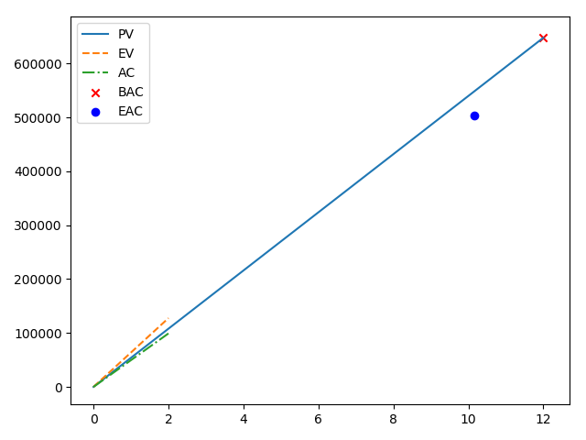
CYID | 36
PV | 108000
EV | 127600
AC | 99200
BAC | 648000
CV | 28400
SV | 19600
CPI | 1.2862903226
SPI | 1.1814814815
How is the project doing? | Great!
Is it ahead of schedule? | Yes. According to SPI > 1, it is.
Is it under budget? | Yes. According to CPI > 1, it is.
EAC | 503774.29467
Is the project performing better than planned? | Better. It is gonna cost less than expected.
how long it will take to finish in months? | 10.156739812

